Instructions
Instructions for Completing the Socioeconomic Assessment by Tract Worksheet (for Lead Service Line Projects)

1: | Locate the Federal Information Processing System (FIPS) Code for the addresses in the project using the Census Geocoder.
 | It's important to make sure the "ACS2021_Current" option is selected in the Vintage dropdown.
 | Link: | https://geocoding.geo.census.gov/geocoder/geographies/address?form
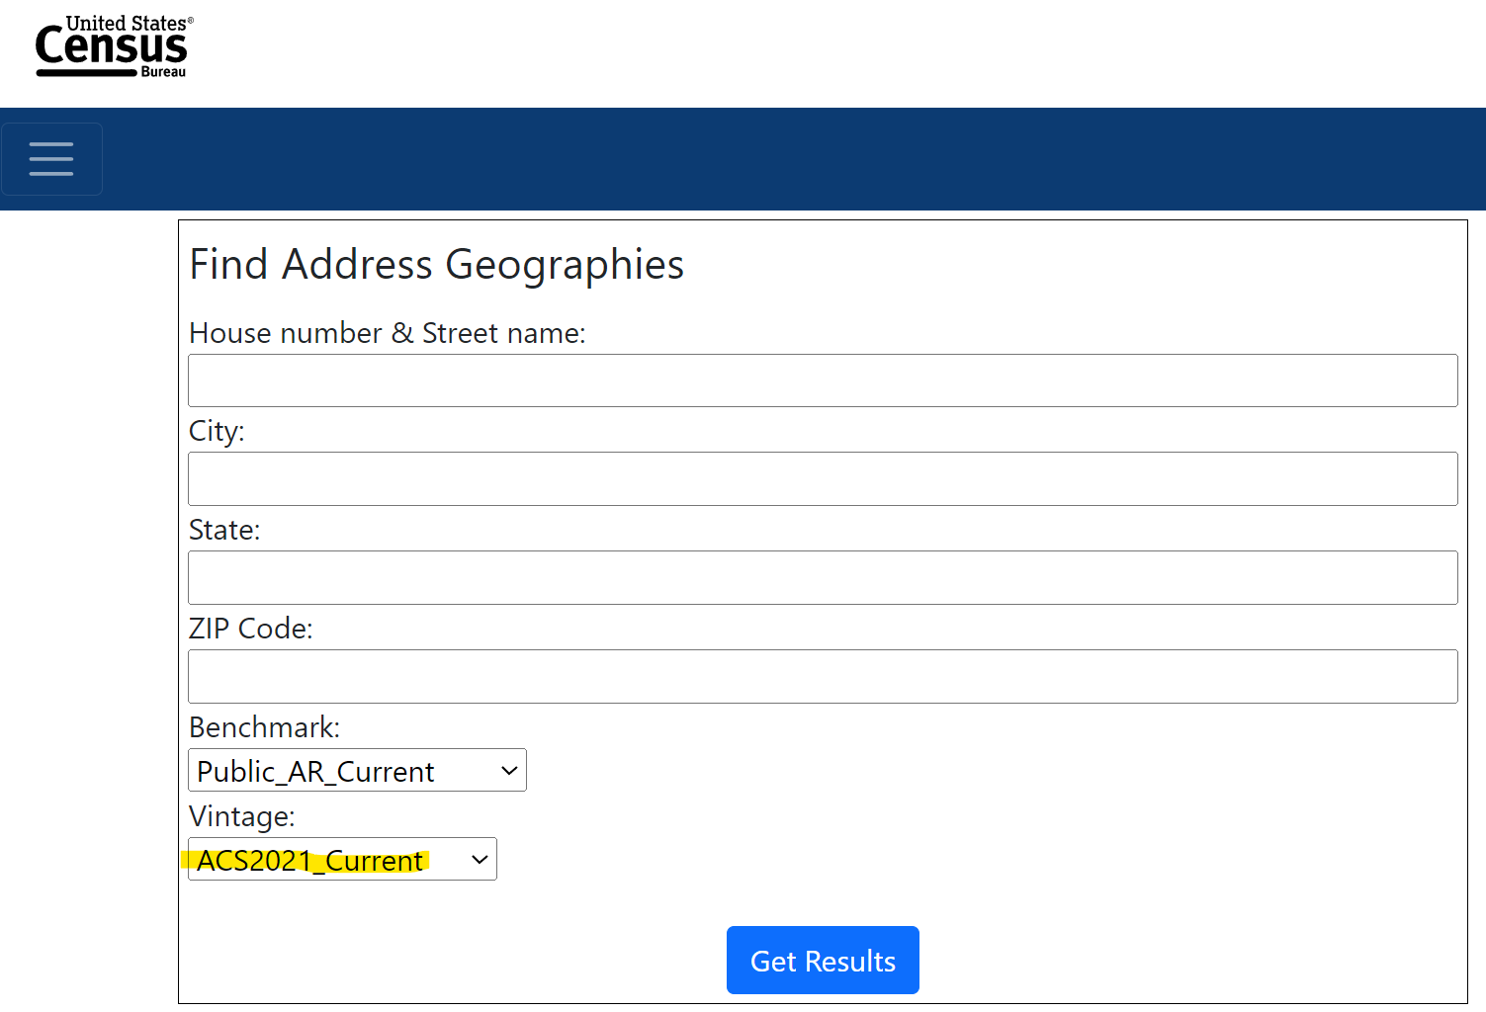

 | The Census Geocoder can also identify the tracts of several addresses at a time via CSV file upload. Click Find Geographies,
 | then Batch Address Processing, and upload the address file. The system is limited to 10,000 records at one time, and they
 | include a helpful sample CSV file at the bottom to ensure correct formatting. Again, make sure to select the "ACS2021_Current"
 | option in the Vintage dropdown.
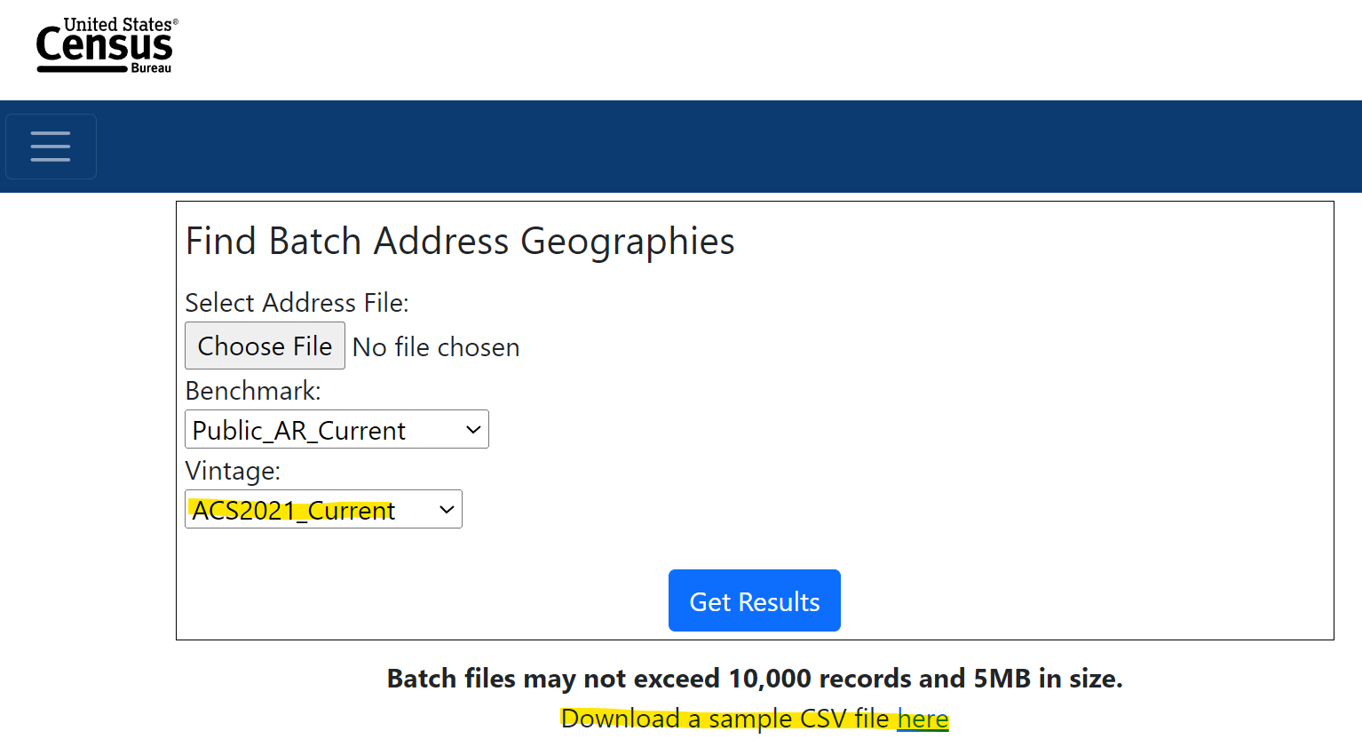

2: | Scroll all the way to the bottom of the results page to the "Census Tracts" section and find the 11-digit GEOID.

 | This is the FIPS Code that can be used to look up the Socioeconomic Score of the Census tract. FIPS Codes are broken
 | down by State (first 2 digits), County (next 3 digits), and Tract (final 6 digits). For example:

3: | Enter the FIPS Code(s) in the "SRF by Tract (LSL)" tab in the light blue boxes. The worksheet is set up to allow for up
 | to five different FIPS Codes to be assessed at one time. The total Socioeconomic Score for each Census tract will
 | display in the right-most column.

 | Currently, Census tracts with a total score greater than or equal to 11 are eligible to receive principal forgiveness,
 | subject to funding availability.

